BugReport1
Summary | [Radio button] User can not chek on "No" radio button

Desctription | When user hovers over "No" radio button the red crossed circle appears and user can not check the "No" radio button

 | Steps
 | 1. Open Google Chrome
 | 2. Go to following URL: https://demoqa.com/
 | 3. Click on "Elements" button on left side
 | 4.Click on "Radio button" button in "Elements" list
 | 5. Hover over "No" radio button
 | 6. Check the "No" radio button

Expected result: | The "No" radio button is checked and a notification "You have selected No" has appeared, the word "No" is written with green letters
Actual result: | It is not possible to check the "No" radio button and a red crossed circle appears

Priority: | High
Severity: | Medium
Repro rate: | 100%

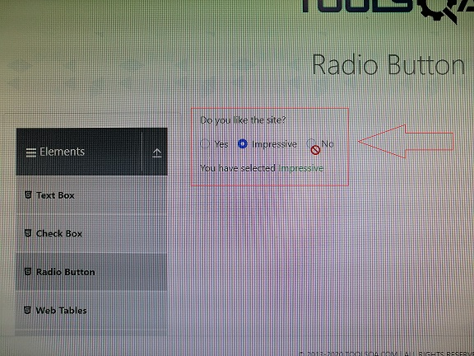
Screenshots:

